Instructions
 | Welcome!
 | Here's the spreadsheet that we created with all the off road caravans that are available here in Australia.
 | This spreadsheet is designed to help you with your research in finding the right caravan for you. We can only go by the information that is available, so be sure to check the manufacturers website for confirmation of details.
 | Blank fields are where I couldn't find specific information, either on the manufacturers website, the sales brochure or the spec sheet.

 | If you have any questions, please feel free to email us at: admin@benandmichelle.com.
 | Cheers,

 | This spreadsheet is copyrighted to Rudge Enterprises Limited and cannot be shared, redistributed, or repurposed.

 | How to use this spreadsheet:

 | Filter
 | Use the filter at the top of a column, to filter only the options you want to see.
 | For example; if you only want to see caravans with Fixed Bunks, you would select the green tick and click 'Apply Filter'.
 | 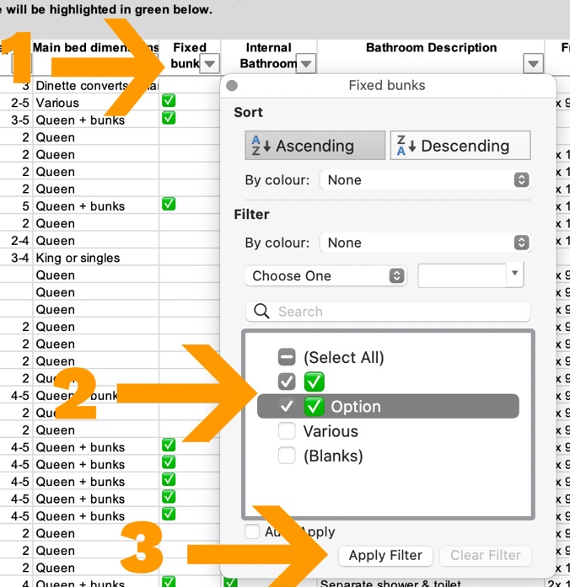

 | Sort
 | Use the filter at the top of a column to sort that column.
 | For example; you want to sort the Price column from lowest to highest.
